Fig 2.5.14
Structural Engineering Art and Approximation
Figure 2.5.13 Goal Post Frame Demonstration - Lateral Point Load

Insert values in Red |  |  |  | www.struartapp.com
Verify against figure2.5.14 (Chapter 2.5; page 45-46)
Point load at top of frame to find sway deflection and forces

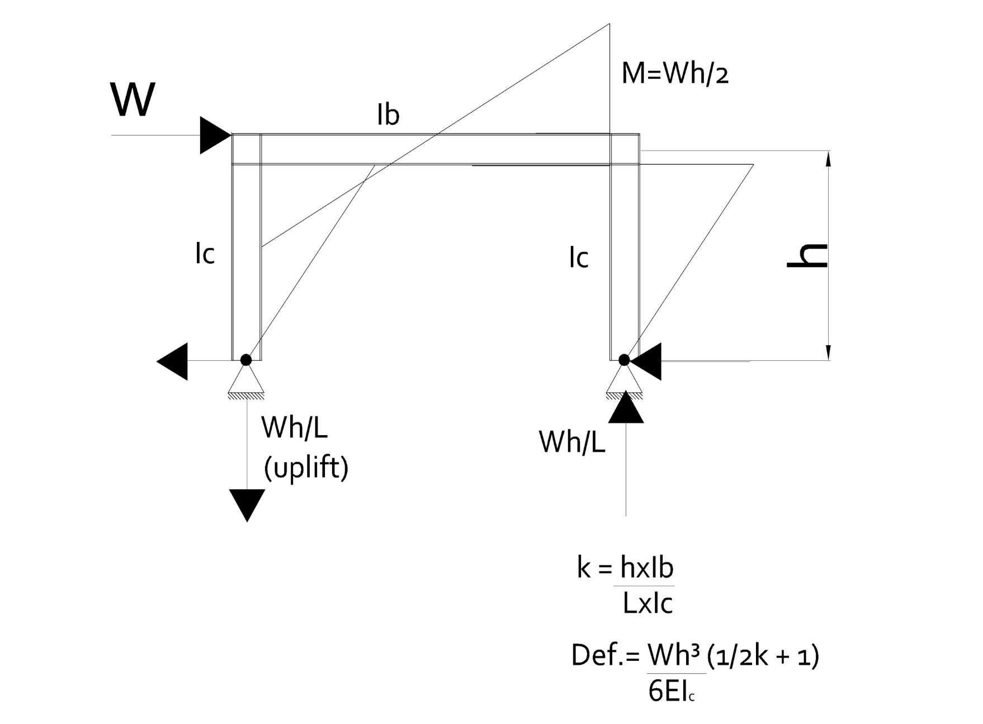
 |  |  | Input Parameters

 |  |  | W = | 10.0 | kN | lateral point load
 |  |  | h = | 3.0 | m | height
 |  |  | L = | 5.0 | m | width of frame
 |  |  | E = | 2.10E+05 | N/mm2 | beam and post
 |  |  | Ic = | 7171 | cm4
 |  |  | Ib = | 7171 | cm4

 |  |  | Calculate k (h.Ib/L.Ic)

 |  |  | k = | 0.60 | kN

 |  |  | Calculate Moment from sway load

 |  |  | Mc = | 15.0 | kNm | W.h./2
Calculate Lateral Deflection
 |  |  | Calculate Vertical Reaction (RHS)
Δl = | 5.5 | mm
 |  |  | Va = | -6.0 | kN | uplift
 |  |  |  |  |  | -W.h./L
 |  |  | Calculate Vertical Reaction (LHS)

 |  |  | Vb = | 6.0 | kN | downward
 |  |  |  |  |  | +W.h./L

For those familiar with spredsheets the following pages contain
properties for common steel sizes in the UK

Working
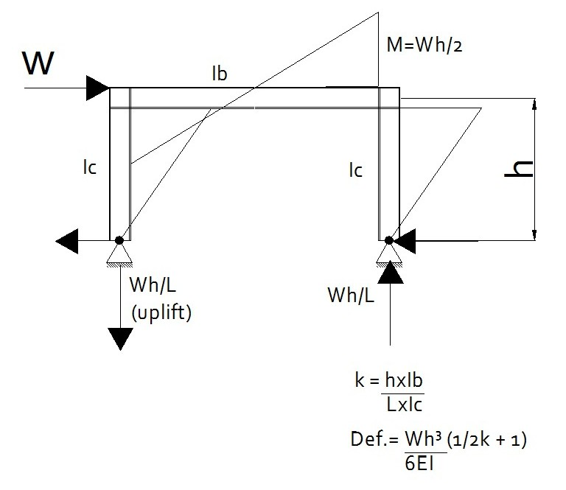

W = | 10 | kN (Eaves Point Load)
h = | 3 | m
L = | 5 | m
Ib = | 7171 | cm4 (Beam)
Ic = | 7171 | cm4 (Post)
E (beam/post) | 210000 |  | N/mm2

Calculation (Eaves Point Load Only)

k = | 0.60 |  |  |  |  |  |  |  | Fill in values - copy and paste from pages overleaf.
M = | 15 | kNm
Va = | -6 | kN |  |  |  |  |  | Beam | 305x127x37 | 37 | 304.4 | 123.4 | 7.1 | 10.7 | 8.9 | 265.2 | 5.77 | 37.4 | 7171 | 336 | 12.3 | 2.67 | 471 | 54.5 | 539 | 85.4 | 0.872 | 29.7 | 0.072 | 14.8 | 47.2
Vb = | 6 | kN
Ha = Hb = | 5 | kN |  |  |  |  |  | Post | 305x127x37 | 37 | 304.4 | 123.4 | 7.1 | 10.7 | 8.9 | 265.2 | 5.77 | 37.4 | 7171 | 336 | 12.3 | 2.67 | 471 | 54.5 | 539 | 85.4 | 0.872 | 29.7 | 0.072 | 14.8 | 47.2
Defl. = | 5.5 | mm

Beam
305x127x37 |  | UB
Post
305x127x37 |  | UB

Total Weight of Frame |  |  |  | 407 | kg

 |  |  |  |  |  | ok

 |  |  |  |  |  |  | 0 | 3411 | ok | 35.0

