Sheet1
Figure 2.4.3 2 Span Continuous BeamUnequal Length

Span 1 | Span 2 |  |  |  | E material: | 2.10E+05 | Mpa

10000 | 5000 |  |  | ……… | Input | Span (mm)
6.00E+08 | 6.00E+08 |  |  | ……… | Input | I cm4 |  | Moment distribution tables
60000 | 120000 |  |  |  |  | I/l |  | for basic load cases (for information)
1000 | 1000 |  |  | ……… | Input | Cont. Width(mm) |  | Hardy Cross Method

10 | 10 |  |  | ……… | Input | Load (kN/m) |  | 1.0 Load All Spans
 |  |  |  |  |  |  |  | Mab | Mba | Mbc | Mcb
 |  |  |  |  |  |  |  |  | 0.33 | 0.67 | 1.00
 |  |  |  |  |  |  |  | -83.3 | 83.3 | -20.8 | 20.8
Span 1 dead deflection: |  | 5.68 | mm |  |  |  |  | 83.3 | 41.7 | -10.4 | -20.8
Span 2 dead deflection: |  | -0.52 | mm |  |  |  |  | 0.0 | 125.0 | -31.3 | 0.0
Project
Project
Project
 |  |  |  |  |  |  |  |  | -31.3 | -62.5
Project
Project
Project
Max BM @ Support 2 |  |  | 93.8 | kNm | +ve hogging |  |  |  |  | 0.0
 |  |  |  |  |  |  |  |  | 0.0 | 0.0
*Max BM @ Midspan Span LHS |  |  | -78.1 | kNm | -ve sagging |  |  |  | 93.8 | -93.8 | 0.0

*Max BM @ Midspan Span RHS |  |  | 15.6 | kNm | -ve sagging

Project
Project
Project
Number
Number
Number
Max Shear @ Support 1 |  |  | 40.6 | kN
Max shear @ Support 2 (LHS) |  |  | 59.4 | kN
Max Shear @ Support 2 (RHS) |  |  | 43.8 | kN
Max shear @ Support 3 (LHS) |  |  | 6.3 | kN
Project
Project
Project

Max Reaction at support 1 |  |  | 40.6 | kN
Max Reaction at support 2 |  |  | 103.1 | kN
Max Reaction at support 3 |  |  | 6.3 | kN

* Note: The derivation of midspan moment is an approximation
Subtraction of simply supported moment on the span from half the mid-support moment
For a more accurate analysis the shear diagram may be used.
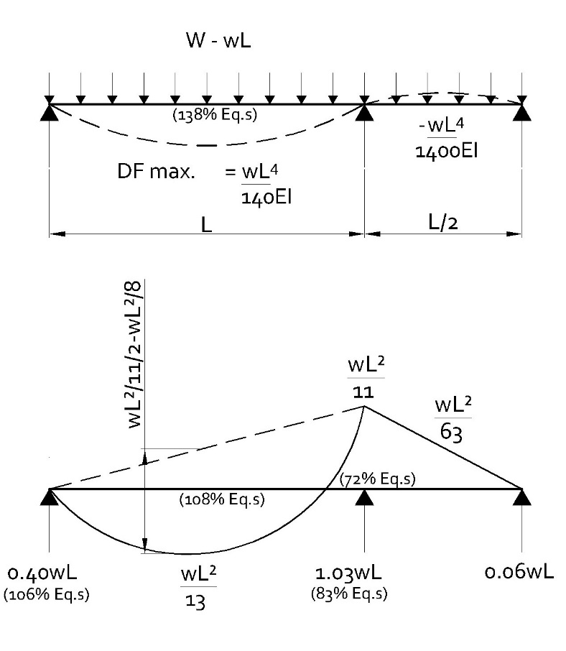

Project

Number

Project

Number

